Meals Worksheet
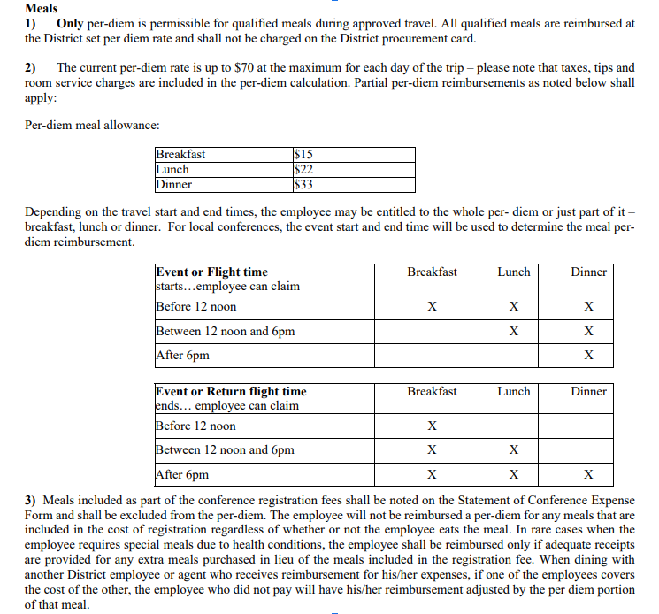
Meals Per Diem Calculation Worksheet

Course Name and # or Division/ Program Name : |  |  | 0
Date(s) of travel (departure and return dates) : |  |  | 0
Number of Attendees (including chaperones) : |  |  | 0

Date(s) :

 | Select one: | Select one: | Select one: | Select one: | Select one: | Select one: | Select one: | Total
Breakfast (@$15.00) |  |  |  |  |  |  |  | $0.00
Lunch (@ $22.00) |  |  |  |  |  |  |  | $0.00
Dinner (@ $33.00) |  |  |  |  |  |  |  | $0.00
Total | $0.00 | $0.00 | $0.00 | $0.00 | $0.00 | $0.00 | $0.00 | $0.00

Total Meal Cost = | $0.00

